subtotales
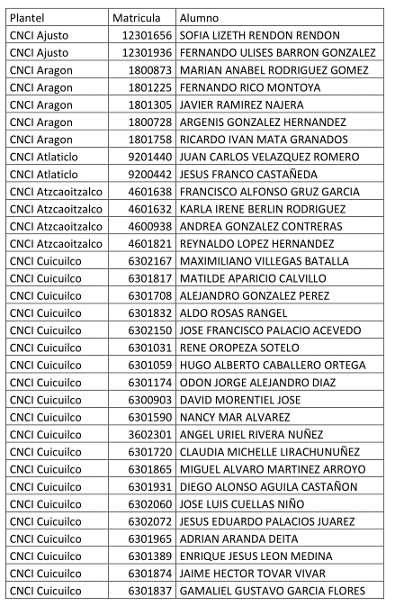
Plantel Matricula Alumno
CNCI Ajusto 12301656 SOFIA LIZETH RENDON RENDON
CNCI Ajusto 12301936 FERNANDO ULISES BARRON GONZALEZ
CNCI Aragon 1800873 MARIAN ANABEL RODRIGUEZ GOMEZ
CNCI Aragon 1801225 FERNANDO RICO MONTOYA
CNCI Aragon 1801305 JAVIER RAMIREZ NAJERA
CNCI Aragon 1800728 ARGENIS GONZALEZ HERNANDEZ
CNCI Aragon 1801758 RICARDO IVAN MATA GRANADOS
CNCI Atlaticlo 9201440 JUAN CARLOS VELAZQUEZ ROMERO
CNCI Atlaticlo 9200442 JESUS FRANCO CASTAÑEDA
CNCI Atzcaoitzalco 4601638 FRANCISCO ALFONSO GRUZ GARCIA
CNCI Atzcaoitzalco 4601632 KARLA IRENE BERLIN RODRIGUEZ
CNCI Atzcaoitzalco 4600938 ANDREA GONZALEZ CONTRERAS
CNCI Atzcaoitzalco 4601821 REYNALDO LOPEZ HERNANDEZ
CNCI Cuicuilco 6302167 MAXIMILIANO VILLEGAS BATALLA
CNCI Cuicuilco 6301817 MATILDE APARICIO CALVILLO
CNCI Cuicuilco 6301708 ALEJANDRO GONZALEZ PEREZ
CNCI Cuicuilco 6301832 ALDO ROSAS RANGEL
CNCI Cuicuilco 6302150 JOSE FRANCISCO PALACIO ACEVEDO
CNCI Cuicuilco 6301031 RENE OROPEZA SOTELO
CNCI Cuicuilco 6301059 HUGO ALBERTO CABALLERO ORTEGA
CNCI Cuicuilco 6301174 ODON JORGE ALEJANDRO DIAZ
CNCI Cuicuilco 6300903 DAVID MORENTIEL JOSE
CNCI Cuicuilco 6301590 NANCY MAR ALVAREZ
CNCI Cuicuilco 3602301 ANGEL URIEL RIVERA NUÑEZ
CNCI Cuicuilco 6301720 CLAUDIA MICHELLE LIRACHUNUÑEZ
CNCI Cuicuilco 6301865 MIGUEL ALVARO MARTINEZ ARROYO
CNCI Cuicuilco 6301931 DIEGO ALONSO AGUILA CASTAÑON
CNCI Cuicuilco 6302060 JOSE LUIS CUELLAS NIÑO
CNCI Cuicuilco 6302072 JESUS EDUARDO PALACIOS JUAREZ
CNCI Cuicuilco 6301965 ADRIAN ARANDA DEITA
CNCI Cuicuilco 6301389 ENRIQUE JESUS LEON MEDINA
CNCI Cuicuilco 6301874 JAIME HECTOR TOVAR VIVAR
CNCI Cuicuilco 6301837 GAMALIEL GUSTAVO GARCIA FLORES
 | Agregar nota al final de cada alumno

Based de datos
